Taul1
Template: Journey to the Future | Estimated work hours of developers | Pekkas work estimation | freelancer artist estimation
Basic Structure: From idea to Product

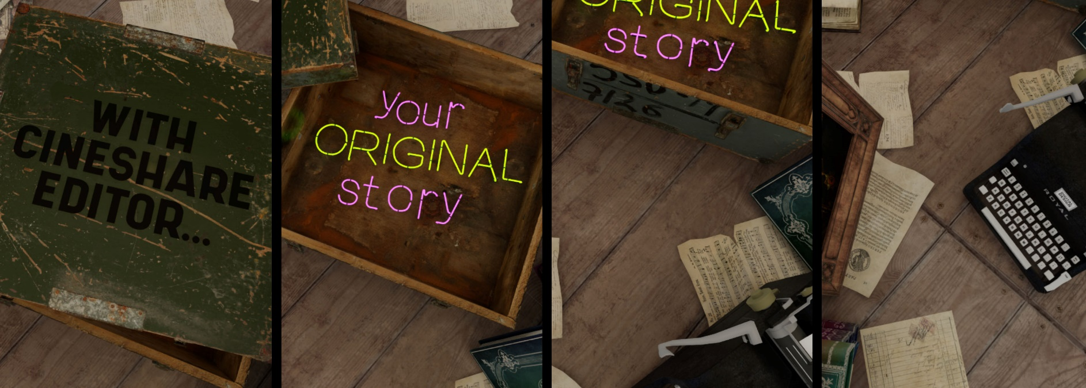

Length 10 - 30 sec.
Full HD potrait, landscape and 1:1 Square
Audio: Music / Speak

Features we need to develope:
New user & new copy of the template | 10
Editable text | 10
text floating to multiple lines | 5
changeable font typeface, size and style | 5

Camera motion is not editable, but timing is. | 0
Many variations of camera motion to choose | 0
Use camera as potrait mode | 10

Animated 3D icons
Swappable objects | 5
Swappable backgrounds | 2
How long it takes to develope these features? | 47

How much develeloping shall cost? | ?
How many developers? | ?
Where is project hosted during dev? | At Chris Scott´s server
Where is project hosted when ready? | ?

How soon we can develop a version that is
a real web-app and end-users do not need
expensive Nvidia GPU´s ? | 3-4 months?

How many uesrs needed to be logged in? | max 2
License need | Free

How long it takes from Pekka to design
a new template like this? |  | 1 week, later even 2-3 per week.

idea for a template variation |  | 6
Moodboard generation |  | 4
Asset gathering |  | 8

Outsourcing this design work to freelancers:
How long it takes to design a new template? |  |  | 25
How much that costs to us? |  |  | ?

When end-user is editing the template,
all this is needed, estimated work hours:

Training, how long? | 2
When training is done with video / chatbot then
how long it takes to create the tutorial materials? |  |  | 100
How much that costs to us? |  |  | ?
How often we need to update tutorials? | every 6 months for a start

Asset cost in €
Main environments
Bookworm Experiment | 26
Bike Shop Environment | 120
Old Classroom | 54
Assets
Defect Ultimate Props Bundle | 87
Archinteriors Vol 1 Scene 4 | 65
Underground Subway | 43
Abandoned Carnival Circus | 4
Ancient Treasures | 0
Assets SUM | 399
Free Nvidia Assets - usage & licence not clear yet
Asset redesign, ( before 1M sales) cost estimation? | ?

How long end-user edits the template, estimation? | 3 h
How much will that cost to us as
a useage of server resources? | 10-20 € per hour ?
How long shall Path Traced rendering take? | 1 hour of rendering per 10 sec ?
How much will rendering cost to us ? | ?
iRendering test

How much we shall bill for this video
Pay per used time / server resources? | 10-20 €
Pay per rendered / downloaded video? | 100 €
Combination of both? | 120 €

Pilot project based Ad Agency prize | 1200 € per video?

